Caja Aqp
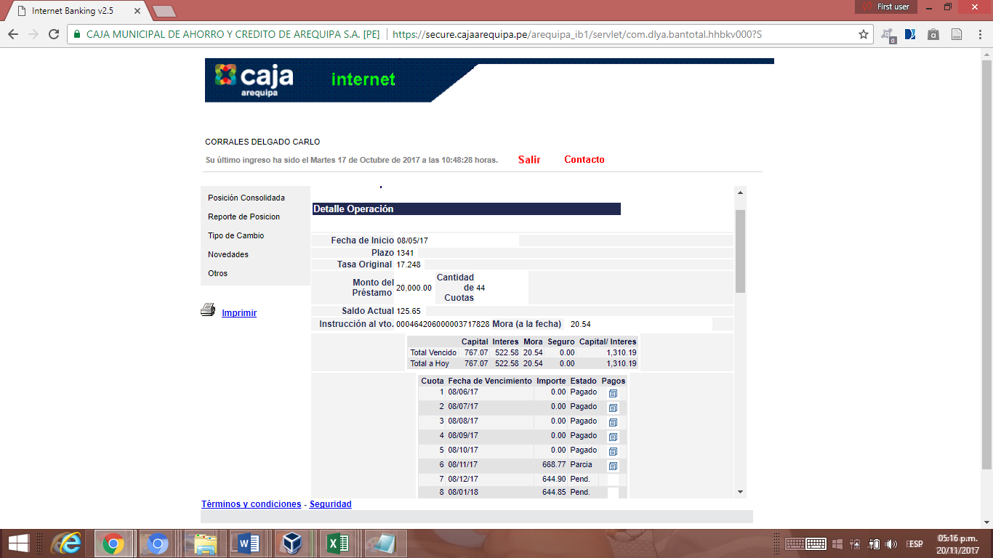
Consulta de Movimientos Caja Arequipa

Producto: | Caja de Ahorro
Cliente: | 464206
SubOperacion: | 2
Sucursal: | 11
Movimientos Desde: | 2021-05-02
Movimientos Hasta: | 2021-09-29
Moneda: | S/
Saldo Anterior: | 0.00

Fecha | Producto | Referencia | Fecha Valor | Debitos | Creditos | Saldo
08/05/2017 | Apertura |  | 08/05/2017 | 0.00 | 0.00 | 0.00
08/05/2017 | Desembolso Préstamo |  | 08/05/2017 | 0.00 | 20000.00 | 20000.00
08/05/2017 | Cobro de ITF |  | 08/05/2017 | 1.00 | 0.00 | 19999.00
08/05/2017 | N/C - Cta Ahorro |  | 08/05/2017 | 12.00 | 0.00 | 19987.00
08/05/2017 | Ret. Efectivo |  | 08/05/2017 | 9500.00 | 0.00 | 10487.00
08/05/2017 | Cobro de ITF |  | 08/05/2017 | 0.45 | 0.00 | 10486.55
08/05/2017 | Cobro Seguro |  | 08/05/2017 | 2.50 | 0.00 | 10484.05
31/05/2017 | Intereses pagados |  | 31/05/2017 | 0.00 | 2.09 | 10486.14
06/06/2017 | Ret. ATM Propio |  | 06/06/2017 | 150.00 | 0.00 | 10336.14
19/06/2017 | Ret. ATM Propio |  | 19/06/2017 | 150.00 | 0.00 | 10186.14
30/06/2017 | Intereses pagados |  | 30/06/2017 | 0.00 | 2.57 | 10188.71
31/07/2017 | Intereses pagados |  | 31/07/2017 | 0.00 | 2.63 | 10191.34
28/08/2017 | Pago Préstamo |  | 28/08/2017 | 870.39 | 0.00 | 9320.95
31/08/2017 | Intereses pagados |  | 31/08/2017 | 0.00 | 2.60 | 9323.55
09/09/2017 | Dep. Devol. Convenio | DEV. SOBRANTE DE CONVENIO | 09/09/2017 | 0.00 | 185.20 | 9508.75
30/09/2017 | Intereses pagados |  | 30/09/2017 | 0.00 | 2.36 | 9511.11
10/9/17 | CAJEROS CORRESPONSALES | Ag. Corresp. Ret. |  | 50 | 0 | 9,461.11 |  | Posición Consolidada - 28/09/2017
10/17/17 | ATM / COMPRAS | Cobro de ITF |  | 0.1 | 0 | 9,461.01 | Detalle Ticket
10/17/17 | ATM / COMPRAS | Ret. ATM Propio |  | 2,000.00 | 0 | 7,461.01 | Detalle Ticket | Producto | Moneda | Saldo
10/18/17 | ATM / COMPRAS | Ret. ATM Propio |  | 2,000.00 | 0 | 5,461.01 | Detalle Ticket | Préstamos | S/ | -19438.53
10/18/17 | ATM / COMPRAS | Cobro de ITF |  | 0.1 | 0 | 5,460.91 | Detalle Ticket | Cuentas de Ahorro | S/ | 1463.40
10/24/17 | ATM / COMPRAS | Ret. ATM Propio |  | 2,000.00 | 0 | 3,460.91 | Detalle Ticket
10/24/17 | ATM / COMPRAS | Cobro de ITF |  | 0.1 | 0 | 3,460.81 | Detalle Ticket
10/25/17 | ATM / COMPRAS | Ret. ATM Propio |  | 2,000.00 | 0 | 1,460.81 | Detalle Ticket
10/25/17 | ATM / COMPRAS | Cobro de ITF |  | 0.1 | 0 | 1,460.71 | Detalle Ticket
10/31/17 | LA MERCED | Intereses pagados |  | 0 | 1.71 | 1,462.42

Cuenta | Producto | Nombre Cuenta | Tasa | Saldo | Ver
4.64206021E+16 | CUENTAS DE AHORROS | CORRALES DELGADO, CARLO JOSE LUIS | 0.3 | 1,462.42 | Ver detalle
4.64206021E+16 | CUENTAS DE AHORROS | CORRALES DELGADO, CARLO JOSE LUIS | 0.65 | 0.98 | Ver detalle
Total |  |  | 0 | 1,463.40

